Q1 2017 Quarterly results
2017 Q1

Quarterly Factbook

Changes in reporting
Following changes have been applied. There is no impact on total Group financials and any impact on Consumer or Enterprise financials remains very limited. There is no impact on Wholesale or BICS.
Figures of 2016 and 2015 have been restated accordingly to allow a correct comparison.

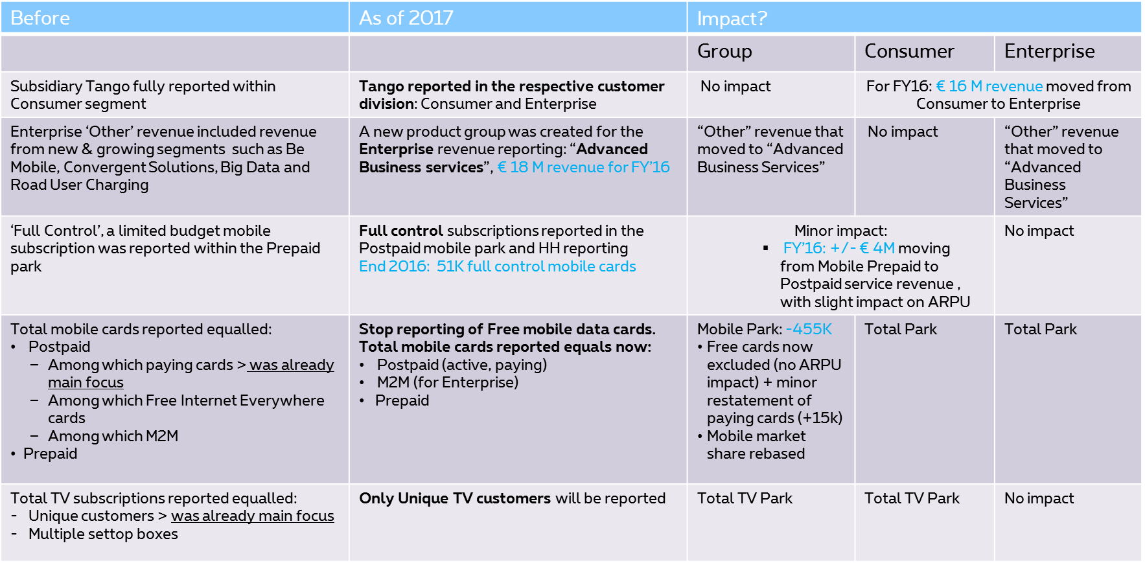

Figures that have changed following the restatement are highlighted in green.

